Chart
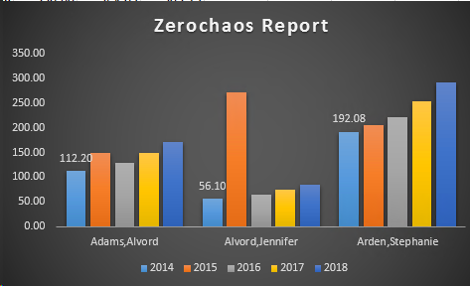
Employee | 2014 | 2015 | 2016 | 2017 | 2018 | Employee | Sum of 2014 | Sum of 2015 | Sum of 2016 | Sum of 2017 | Sum of 2018
Adams,Alvord | 112.20 | 148.38 | 129.03 | 148.38 | 170.64 | Adams,Alvord | 112.20 | 148.38 | 129.03 | 148.38 | 170.64
Alvord,Jennifer | 56.10 | 270.95 | 64.52 | 74.19 | 85.32 | Alvord,Jennifer | 56.10 | 270.95 | 64.52 | 74.19 | 85.32
Jitendra,Chauhan | 112.20 | 321.76 | 129.03 | 148.38 | 170.64 | Arden,Stephanie | 192.08 | 204.88 | 220.89 | 254.03 | 292.13
Arden,Stephanie | 192.08 | 204.88 | 220.89 | 254.03 | 292.13 | Grand Total | 360.38 | 624.21 | 414.44 | 476.6 | 548.09

Zerochaos Report
Please create Chart as per below

